Sheet1
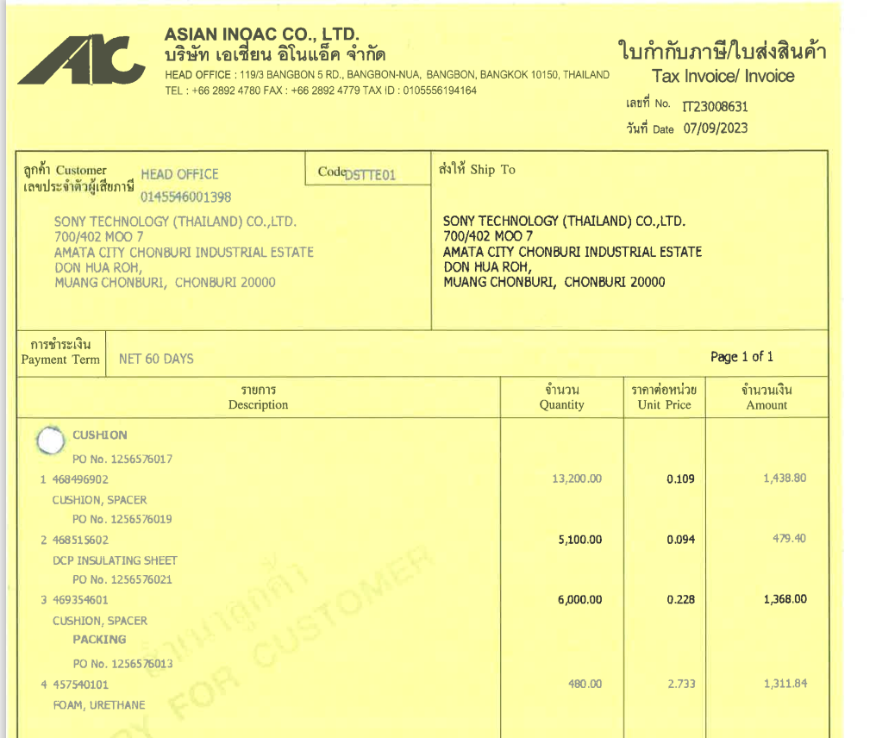
INVOICE_NO

PO_NO
QTY
UNIT_PRICE
AMOUNT

ITEM_NO

